jewellery
S NO | ID | JEWELLERY NAME | PICTURE 1 | KARATAGE | WEIGHT | COLLECTION | Diamond Color | Diamond Clarity | REFERENCE
1 | 5118802BFABAP3 | GLASS KUNDAN NECKLACE SET | 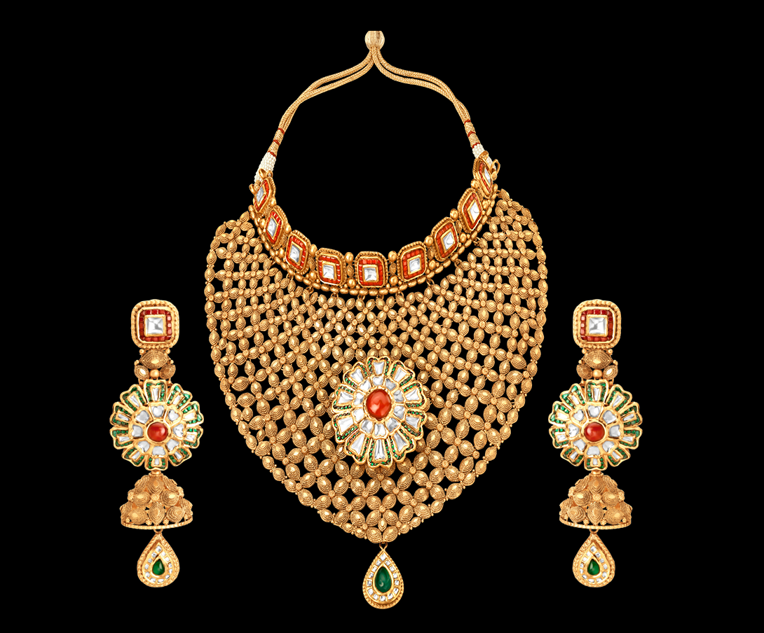 | 22k | 240.6GMS | rivaah |  |  | https://www.tanishq.co.in/rivaah/jewellery/metro/5118802bfabap3
2 | 513818JDOABA00 | earrings | 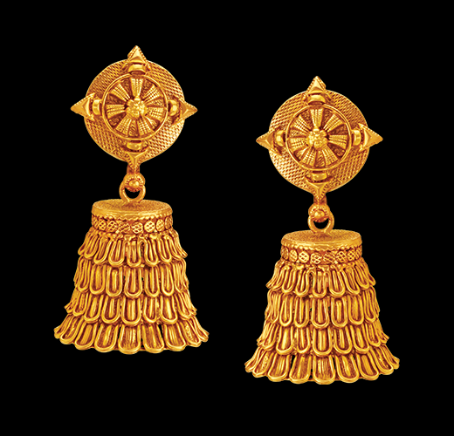 | 22 | 22.12gm | Utsava |  |  | https://www.tanishq.co.in/jewellery/earrings/513818jdoaba00
3 | 3817NFP | Padmaavat by Tanishq 22KT gold necklace | 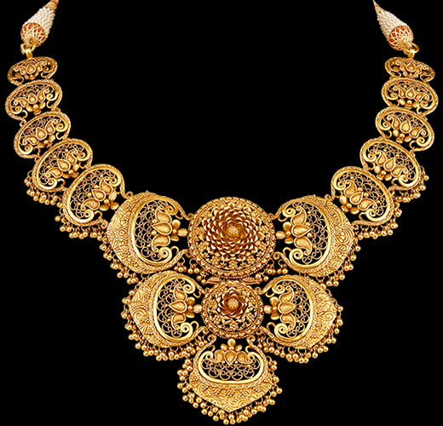 | 22 | 67.89gm | Padmaavat |  |  | https://www.tanishq.co.in/padmaavat/products?id=3817NFP
4 | 5118802AVABAP3 | GLASS KUNDAN NECKLACE SET | 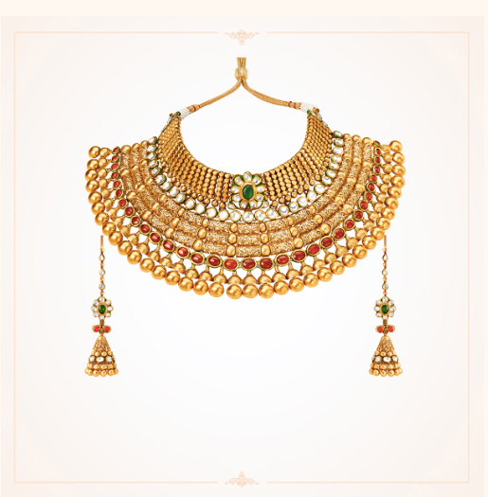 | 22 | 229.66GMS | rivaah |  |  | https://www.tanishq.co.in/rivaah/jewellery/metro/5118802avabap3
5 | 5027172CLABA32 | NECKLACE | 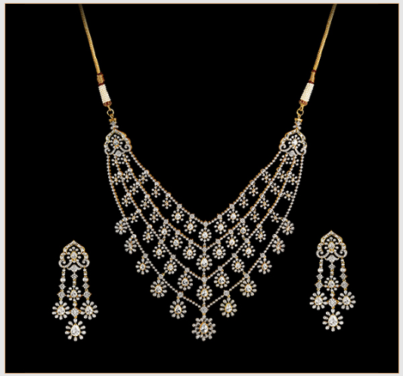 | 18 | 79.31gm | Jewels of Royalty | G-H | SI 2 | https://www.tanishq.co.in/jewellery/necklaces/5027172claba32

